Home
PT. KHARISMA MEGA SATRIA Home About Services Gallery Contact

Background Image
(Foto yg berkaitan dengan service perusahaan)
PT. KHARISMA MEGA SATRIA
Bergerak di bidang Mechanical Electrical, Contruction,
Civil & Man Power Supply

Read More

Little History
(Sejarah Singkat Perusahaan)
---------------------------------------------------------------------------------------------------------
---------------------------------------------------------------------------------------------------------
---------------------------------------------------------------------------------------------------------
---------------------------------------------------------------------------------------------------------
---------------------------------------------------------------------------------------------------------
---------------------------------------------------------------------------------------------------------


Hello...!
I Am John
INI KATA PROMOSI DARI DIREKTUR UTAMA PERUSAHAAN
---------------------------------------------------------------------------------------------------------
---------------------------------------------------------------------------------------------------------
---------------------------------------------------------------------------------------------------------
--------------------------------------------------------------------------------------------------------
---------------------------------------------------------------------------------------------------------

 |  |  |  |  | Our Services

 |  |  |  | Bergabunglah bersama kami, dengan tenaga kerja yang handal dan profesional
 |  |  |  | mampu memecahkan permasalahan yang ada.

Mechanical Electrical
Contruction
Civil & Man Power Supply

Ini Deskripsi akan muncul jika di klik

About Us Site Map Contact Info
(Tentang Kami)
------------------------- -----------------------------------------------------------------------------------
------------------ -----------------------------------------
---------------------------------

C 2019 All Right Reserved PT. Kharisma Mega Satria

Facebook | twitter | youtube | Path

About
PT. KHARISMA MEGA SATRIA Home About Services Gallery Contact

 | About

(Tentang Perusahaan)
---------------------------------------------------------------------------------------------------------
---------------------------------------------------------------------------------------------------------
---------------------------------------------------------------------------------------------------------
---------------------------------------------------------------------------------------------------------
---------------------------------------------------------------------------------------------------------
---------------------------------------------------------------------------------------------------------

VISI & MISI

 |  | Our Team | 4 orang Pejabat penting di perusahaan

Nama | Nama |  |  | Nama | Nama
Jabatan | Jabatan |  |  | Jabatan | Jabatan

About Us Site Map Contact Info
(Tentang Kami)
------------------------- -----------------------------------------------------------------------------------
------------------ -----------------------------------------
---------------------------------

C 2019 All Right Reserved PT. Kharisma Mega Satria

Services
PT. KHARISMA MEGA SATRIA Home About Services Gallery Contact

Services
 | Icon

(Tentang Perusahaan)
---------------------------------------------------------------------------------------------------------
---------------------------------------------------------------------------------------------------------
---------------------------------------------------------------------------------------------------------
---------------------------------------------------------------------------------------------------------
---------------------------------------------------------------------------------------------------------
---------------------------------------------------------------------------------------------------------
 | Guidance
 | -----------

 | Reputatuion
 | -----------

 | Happy Client
 | -----------

Advantages (Keuntungan/Manfaat)
Fast Respon Hemat Biaya Ramah Lingkungan On Time
--------------------------- ---------------------------- ------------------------------ --------------------------------

Our Customer
Nama PT. Customer
Jenis Pengerjaan
Nama PT. Customer
Jenis Pengerjaan
Nama PT. Customer
Jenis Pengerjaan
Nama PT. Customer
Jenis Pengerjaan
 |  | Kotak | Gambar jenis pekerjaan/
 |  | Nama Pt. Customer | Customer yang di tampilkan di usahakan yang Bonafit untuk menambah kepercayaan customer baru
 |  | Jenis Pengerjaan | Jenis service yang di lakukan

About Us Site Map Contact Info
(Tentang Kami)
------------------------- -----------------------------------------------------------------------------------
------------------ -----------------------------------------
---------------------------------

C 2019 All Right Reserved PT. Kharisma Mega Satria

Gallery
PT. KHARISMA MEGA SATRIA Home About Services Gallery Contact

Our Gallery
Jenis Service
Deskripsi
Jenis Service
Deskripsi
Jenis Service
Deskripsi

Jenis Service
Deskripsi
Jenis Service
Deskripsi
Jenis Service
Deskripsi

Jenis Service
Deskripsi
Jenis Service
Deskripsi
Jenis Service
Deskripsi

About Us Site Map Contact Info
(Tentang Kami)
------------------------- -----------------------------------------------------------------------------------
------------------ -----------------------------------------
---------------------------------

C 2019 All Right Reserved PT. Kharisma Mega Satria

Contact
PT. KHARISMA MEGA SATRIA Home About Services Gallery Contact

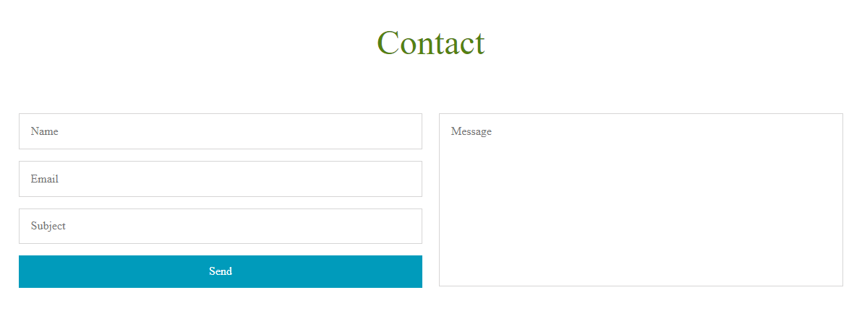

About Us Site Map Contact Info
(Tentang Kami)
------------------------- -----------------------------------------------------------------------------------
------------------ -----------------------------------------
---------------------------------

C 2019 All Right Reserved PT. Kharisma Mega Satria

